Overview
How to use this spreadsheet

This spreadsheet lists all the SmartyGrants Outcomes Engine default standard sections and standard fields, as well as containing some information and recommendations about how to use each field on your forms.

There are eight default standard sections:
* Outcomes
* Theory of Change
* Unintended Outcomes
* Grantmaker Metrics
* Grantseeker Metrics
* Qualitative Evidence
* Activities
* Milestones

Each default standard section has its own tab:
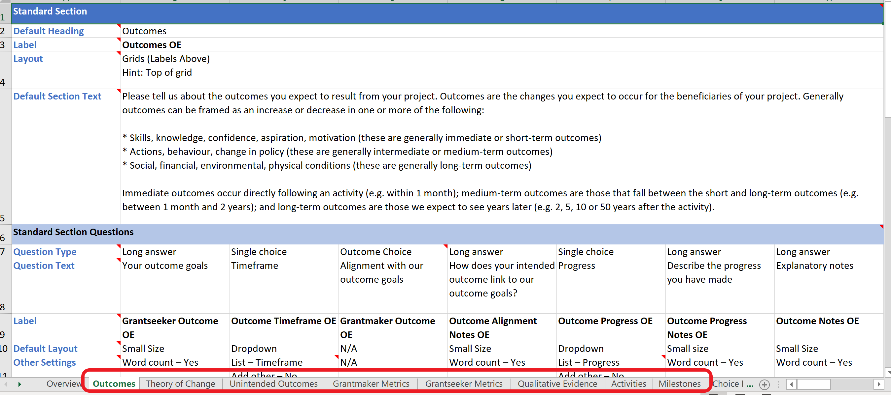

You can also find a collection of choice lists that are connected to some of the questions in the Outcomes Engine standard sections:
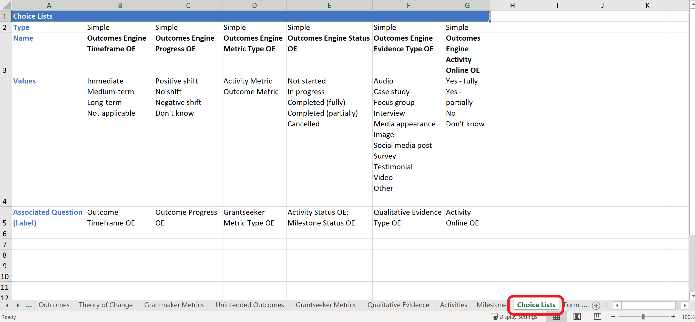

And you will find a list of additional Outcomes Engine recommended fields, as well as recommendations on how to set those fields up on your forms. These are found in the Forms & Fields tab:
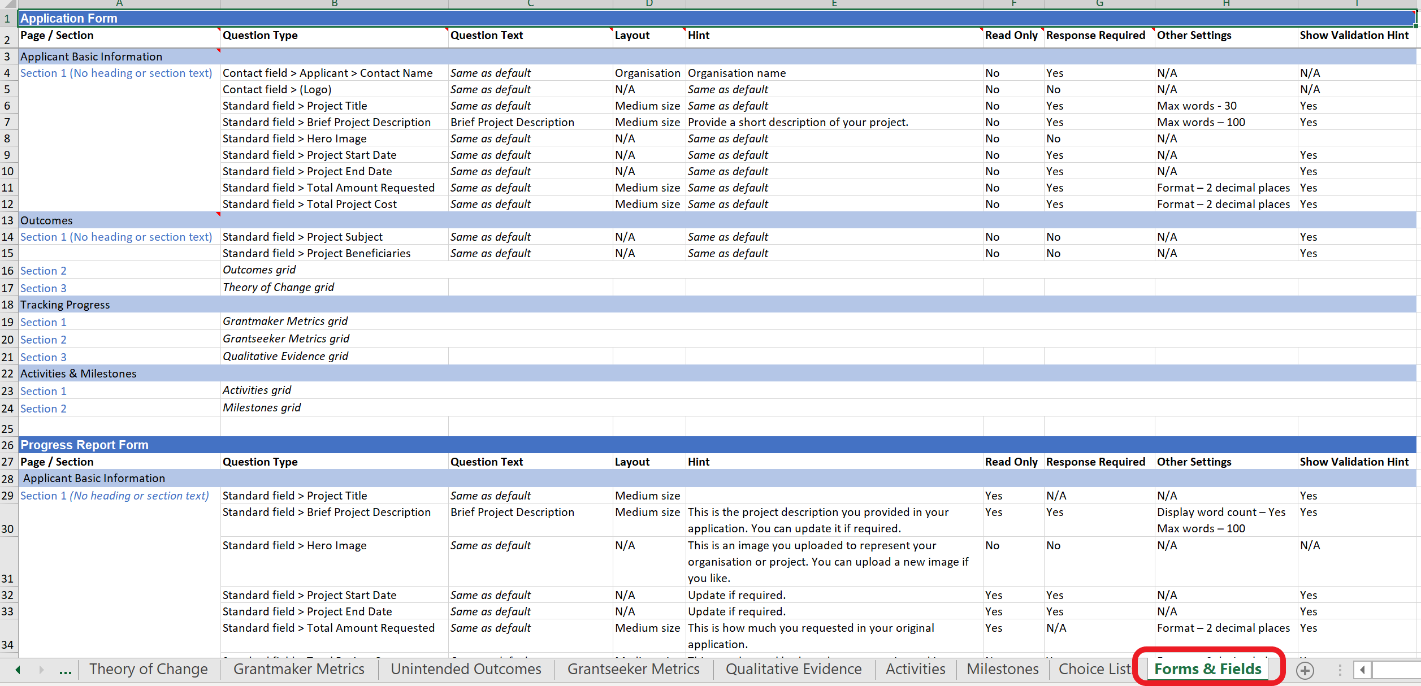

Proportionality
A note on proportionality

This spreadsheet represents all the available Outcomes Engine sections and fields. You will almost certainly have other fields you want to add to your form, and there are many Outcomes Engine fields that you may want to omit. It's essential that you adapt the fields to the individual circumstances of your program, and the capacities of your applicants. The Outcomes Engine has been designed to scale in complexity to suit the needs of those with high needs and a sophisticated understanding of impact evaluation, as well as those just starting along the journey. It’s important that you are honest and realistic with yourself about where your organisation and your grantees fit on that continuum (from starter to advanced), and that you only use the parts of the system that you feel truly comfortable in using. You’ll save both you and your grantees a lot of wasted effort by using only the sections and fields that you and your grantees are competent and confident to use. (Do you really need to ask an applicant for a $1000 grant to run a fete for their Theory of Change? Probably not.) At its most basic level, the only thing you need in order to use the Outcomes Engine is one outcome goal, but even then you need to make sure that goal is very well-defined. We do not recommend you introduce Metrics until or unless you are very clear about what data you want to collect, what data it makes sense to collect, how you will use the data (e.g. what it will look like when aggregated onto a report), and what your grantees can reasonably handle. Even grantmakers who are experienced in impact evaluation need to make sure you are highly familiar with our interpretation of the terms used in the Outcomes Engine (as interpretations can vary). We recommend you enlist the help of an evaluation specialist in formulating and articulating your Domains, Outcomes and Metrics or contact SmartyGrants Services for advice.
